Sheet1
Pop-Up Buoy Resting Position
 | Original |  | No Outliers |  | Average
-152.229 | 70.8253 | -152.229 | 70.8253 | -152.23163161 | 70.825679355
-152.229 | 70.8253 | -152.229 | 70.8253
-152.229 | 70.8253 | -152.229 | 70.8253
-152.229 | 70.8253 | -152.229 | 70.8253
-152.229 | 70.8253 | -152.229 | 70.8253
-152.229 | 70.8253 | -152.229 | 70.8253
-152.229 | 70.8253 | -152.229 | 70.8253
-152.229 | 70.8253 | -152.229 | 70.8253
-152.229 | 70.8253 | -152.229 | 70.8253
-152.229 | 70.8253 | -152.229 | 70.8253
-152.229 | 70.8253 | -152.229 | 70.8253
-152.229 | 70.8253 | -152.229 | 70.8253
-152.229 | 70.8253 | -152.229 | 70.8253
-152.2311 | 70.8261 | -152.2311 | 70.8261
-152.2311 | 70.8261 | -152.2311 | 70.8261
-152.2311 | 70.8261 | -152.2311 | 70.8261
-152.2311 | 70.8261 | -152.2311 | 70.8261
-152.2311 | 70.8261 | -152.2311 | 70.8261
-152.2311 | 70.8261 | -152.2311 | 70.8261
-152.2311 | 70.8261 | -152.2311 | 70.8261
-152.2311 | 70.8261 | -152.2311 | 70.8261
-152.2311 | 70.8261 | -152.2311 | 70.8261
-152.2311 | 70.8261 | -152.2311 | 70.8261
-152.2302 | 70.8248 | -152.2302 | 70.8248
-152.2302 | 70.8248 | -152.2302 | 70.8248
-152.2302 | 70.8248 | -152.2302 | 70.8248
-152.2302 | 70.8248 | -152.2302 | 70.8248
-152.2302 | 70.8248 | -152.2302 | 70.8248
-152.2302 | 70.8248 | -152.2302 | 70.8248
-152.2302 | 70.8248 | -152.2302 | 70.8248
-152.2302 | 70.8248 | -152.2302 | 70.8248
-152.2302 | 70.8248 | -152.2302 | 70.8248
-152.2302 | 70.8248 | -152.2302 | 70.8248
-152.2302 | 70.8248 | -152.2302 | 70.8248
-152.2302 | 70.8248 | -152.2302 | 70.8248
-152.2311 | 70.8238 | -152.2311 | 70.8238
-152.2311 | 70.8238 | -152.2311 | 70.8238
-152.2311 | 70.8238 | -152.2311 | 70.8238
-152.2311 | 70.8238 | -152.2311 | 70.8238
-152.2311 | 70.8238 | -152.2311 | 70.8238
-152.2311 | 70.8238 | -152.2311 | 70.8238
-152.2311 | 70.8238 | -152.2311 | 70.8238
-152.2311 | 70.8238 | -152.2311 | 70.8238
-152.2311 | 70.8238 | -152.2311 | 70.8238
-152.2311 | 70.8238 | -152.2311 | 70.8238
-152.2311 | 70.8238 | -152.2311 | 70.8238
-152.2321 | 70.8244 | -152.2321 | 70.8244
-152.2321 | 70.8244 | -152.2321 | 70.8244
-152.2321 | 70.8244 | -152.2321 | 70.8244
-152.2321 | 70.8244 | -152.2321 | 70.8244
...
-152.229 | 70.8253 | -152.229 | 70.8253 | -152.23163161 | 70.825679355
-152.229 | 70.8253 | -152.229 | 70.8253
-152.229 | 70.8253 | -152.229 | 70.8253
-152.229 | 70.8253 | -152.229 | 70.8253
-152.229 | 70.8253 | -152.229 | 70.8253
-152.229 | 70.8253 | -152.229 | 70.8253 | -152.2316316 | 70.8256794
-152.229 | 70.8253 | -152.229 | 70.8253 | 13.897896 | 49.540764
-152.229 | 70.8253 | -152.229 | 70.8253
-152.229 | 70.8253 | -152.229 | 70.8253
-152.229 | 70.8253 | -152.229 | 70.8253
-152.229 | 70.8253 | -152.229 | 70.8253
-152.229 | 70.8253 | -152.229 | 70.8253
-152.229 | 70.8253 | -152.229 | 70.8253
-152.2311 | 70.8261 | -152.2311 | 70.8261
-152.2311 | 70.8261 | -152.2311 | 70.8261
-152.2311 | 70.8261 | -152.2311 | 70.8261
-152.2311 | 70.8261 | -152.2311 | 70.8261
-152.2311 | 70.8261 | -152.2311 | 70.8261
-152.2311 | 70.8261 | -152.2311 | 70.8261
-152.2311 | 70.8261 | -152.2311 | 70.8261
-152.2311 | 70.8261 | -152.2311 | 70.8261
-152.2311 | 70.8261 | -152.2311 | 70.8261
-152.2311 | 70.8261 | -152.2311 | 70.8261
-152.2302 | 70.8248 | -152.2302 | 70.8248
-152.2302 | 70.8248 | -152.2302 | 70.8248
-152.2302 | 70.8248 | -152.2302 | 70.8248
-152.2302 | 70.8248 | -152.2302 | 70.8248
-152.2302 | 70.8248 | -152.2302 | 70.8248
-152.2302 | 70.8248 | -152.2302 | 70.8248
-152.2302 | 70.8248 | -152.2302 | 70.8248
-152.2302 | 70.8248 | -152.2302 | 70.8248
-152.2302 | 70.8248 | -152.2302 | 70.8248
-152.2302 | 70.8248 | -152.2302 | 70.8248
-152.2302 | 70.8248 | -152.2302 | 70.8248
-152.2302 | 70.8248 | -152.2302 | 70.8248
-152.2311 | 70.8238 | -152.2311 | 70.8238
-152.2311 | 70.8238 | -152.2311 | 70.8238
-152.2311 | 70.8238 | -152.2311 | 70.8238
-152.2311 | 70.8238 | -152.2311 | 70.8238
-152.2311 | 70.8238 | -152.2311 | 70.8238
-152.2311 | 70.8238 | -152.2311 | 70.8238
-152.2311 | 70.8238 | -152.2311 | 70.8238
-152.2311 | 70.8238 | -152.2311 | 70.8238
-152.2311 | 70.8238 | -152.2311 | 70.8238
-152.2311 | 70.8238 | -152.2311 | 70.8238
-152.2311 | 70.8238 | -152.2311 | 70.8238
-152.2321 | 70.8244 | -152.2321 | 70.8244
-152.2321 | 70.8244 | -152.2321 | 70.8244
-152.2321 | 70.8244 | -152.2321 | 70.8244
-152.2321 | 70.8244 | -152.2321 | 70.8244
-152.2321 | 70.8244 | -152.2321 | 70.8244
-152.2315 | 70.8253 | -152.2315 | 70.8253
-152.2315 | 70.8253 | -152.2315 | 70.8253
-152.2315 | 70.8253 | -152.2315 | 70.8253
-152.2315 | 70.8253 | -152.2315 | 70.8253
-152.2315 | 70.8253 | -152.2315 | 70.8253
-152.2315 | 70.8253 | -152.2315 | 70.8253
-152.2314 | 70.8252 | -152.2314 | 70.8252
-152.2314 | 70.8252 | -152.2314 | 70.8252
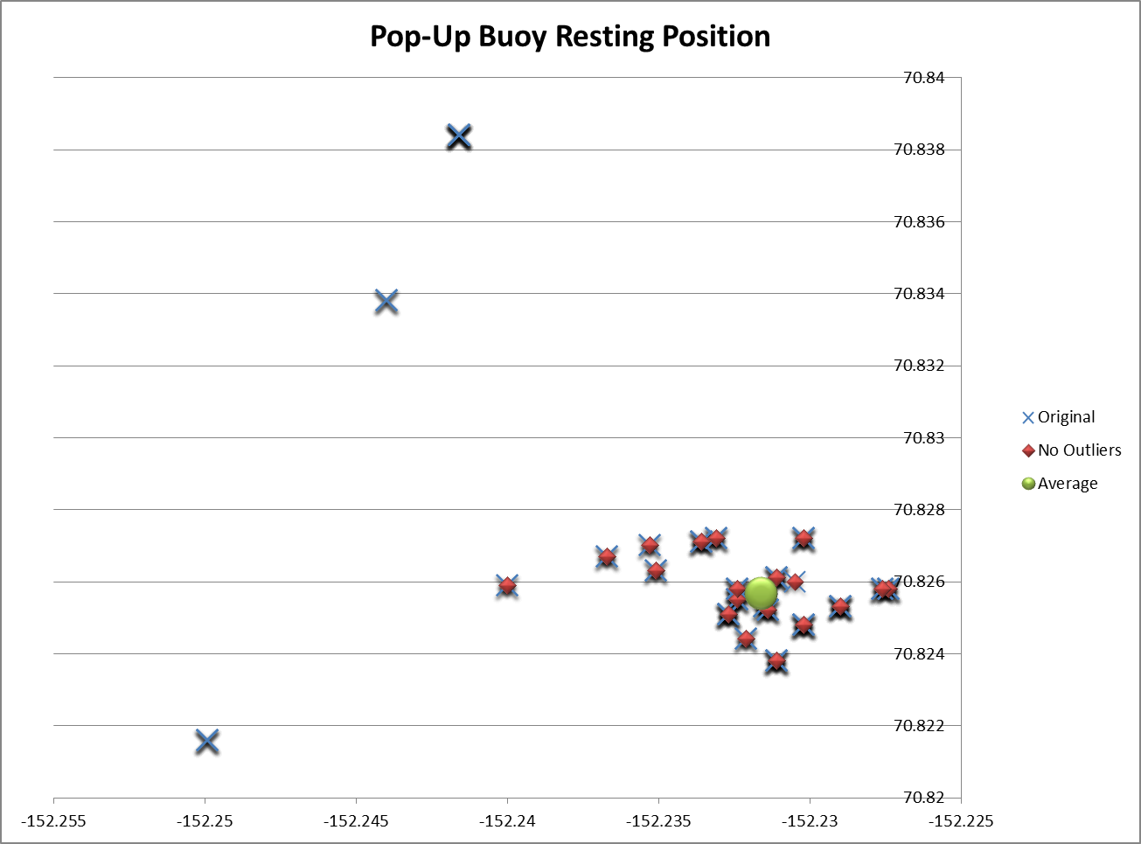
-152.2314 | 70.8252 | -152.2314 | 70.8252
-152.2314 | 70.8252 | -152.2314 | 70.8252
-152.2314 | 70.8252 | -152.2314 | 70.8252
-152.2314 | 70.8252 | -152.2314 | 70.8252
-152.2314 | 70.8252 | -152.2314 | 70.8252
-152.2314 | 70.8252 | -152.2314 | 70.8252
-152.2499 | 70.8216 | -152.2274 | 70.8258
-152.2499 | 70.8216 | -152.2274 | 70.8258
-152.2499 | 70.8216 | -152.2274 | 70.8258
-152.2499 | 70.8216 | -152.2274 | 70.8258
-152.2499 | 70.8216 | -152.2274 | 70.8258
-152.2499 | 70.8216 | -152.2274 | 70.8258
-152.2499 | 70.8216 | -152.2274 | 70.8258
-152.2499 | 70.8216 | -152.2274 | 70.8258
-152.2499 | 70.8216 | -152.2274 | 70.8258
-152.2274 | 70.8258 | -152.2324 | 70.8255
-152.2274 | 70.8258 | -152.2324 | 70.8255
-152.2274 | 70.8258 | -152.2324 | 70.8255
-152.2274 | 70.8258 | -152.2324 | 70.8255
-152.2274 | 70.8258 | -152.2324 | 70.8255
-152.2274 | 70.8258 | -152.2324 | 70.8255
-152.2274 | 70.8258 | -152.2324 | 70.8255
-152.2274 | 70.8258 | -152.2324 | 70.8255
-152.2274 | 70.8258 | -152.2302 | 70.8272
-152.2324 | 70.8255 | -152.2302 | 70.8272
-152.2324 | 70.8255 | -152.2302 | 70.8272
-152.2324 | 70.8255 | -152.2302 | 70.8272
-152.2324 | 70.8255 | -152.2302 | 70.8272
-152.2324 | 70.8255 | -152.2302 | 70.8272
-152.2324 | 70.8255 | -152.2302 | 70.8272
-152.2324 | 70.8255 | -152.2302 | 70.8272
-152.2324 | 70.8255 | -152.2276 | 70.8258
-152.2302 | 70.8272 | -152.2276 | 70.8258
-152.2302 | 70.8272 | -152.2276 | 70.8258
-152.2302 | 70.8272 | -152.2276 | 70.8258
-152.2302 | 70.8272 | -152.2276 | 70.8258
-152.2302 | 70.8272 | -152.2276 | 70.8258
-152.2302 | 70.8272 | -152.2276 | 70.8258
-152.2302 | 70.8272 | -152.2276 | 70.8258
-152.2302 | 70.8272 | -152.2353 | 70.827
-152.2276 | 70.8258 | -152.2353 | 70.827
-152.2276 | 70.8258 | -152.2353 | 70.827
-152.2276 | 70.8258 | -152.2353 | 70.827
-152.2276 | 70.8258 | -152.2305 | 70.826
-152.2276 | 70.8258 | -152.2327 | 70.8251
-152.2276 | 70.8258 | -152.2327 | 70.8251
-152.2276 | 70.8258 | -152.2327 | 70.8251
-152.2276 | 70.8258 | -152.2327 | 70.8251
-152.2353 | 70.827 | -152.2327 | 70.8251
-152.2353 | 70.827 | -152.2327 | 70.8251
-152.2353 | 70.827 | -152.2327 | 70.8251
-152.2353 | 70.827 | -152.2327 | 70.8251
-152.2305 | 70.826 | -152.2327 | 70.8251
-152.2327 | 70.8251 | -152.2327 | 70.8251
-152.2327 | 70.8251 | -152.2327 | 70.8251
-152.2327 | 70.8251 | -152.2327 | 70.8251
-152.2327 | 70.8251 | -152.2327 | 70.8251
-152.2327 | 70.8251 | -152.2324 | 70.8258
-152.2327 | 70.8251 | -152.2324 | 70.8258
-152.2327 | 70.8251 | -152.2324 | 70.8258
-152.2327 | 70.8251 | -152.2324 | 70.8258
-152.2327 | 70.8251 | -152.2324 | 70.8258
-152.2327 | 70.8251 | -152.2324 | 70.8258
-152.2327 | 70.8251 | -152.2324 | 70.8258
-152.2327 | 70.8251 | -152.2324 | 70.8258
-152.2327 | 70.8251 | -152.2324 | 70.8258
-152.2324 | 70.8258 | -152.2367 | 70.8267
-152.2324 | 70.8258 | -152.2367 | 70.8267
-152.2324 | 70.8258 | -152.2367 | 70.8267
-152.2324 | 70.8258 | -152.2367 | 70.8267
-152.2324 | 70.8258 | -152.2367 | 70.8267
-152.2324 | 70.8258 | -152.24 | 70.8259
-152.2324 | 70.8258 | -152.24 | 70.8259
-152.2324 | 70.8258 | -152.24 | 70.8259
-152.2324 | 70.8258 | -152.24 | 70.8259
-152.2367 | 70.8267 | -152.2351 | 70.8263
-152.2367 | 70.8267 | -152.2351 | 70.8263
-152.2367 | 70.8267 | -152.2351 | 70.8263
-152.2367 | 70.8267 | -152.2351 | 70.8263
-152.2367 | 70.8267 | -152.2351 | 70.8263
-152.24 | 70.8259 | -152.2336 | 70.8271
-152.24 | 70.8259 | -152.2336 | 70.8271
-152.24 | 70.8259 | -152.2336 | 70.8271
-152.24 | 70.8259 | -152.2336 | 70.8271
-152.2351 | 70.8263 | -152.2336 | 70.8271
-152.2351 | 70.8263 | -152.2336 | 70.8271
-152.2351 | 70.8263 | -152.2336 | 70.8271
-152.2351 | 70.8263 | -152.2336 | 70.8271
-152.2351 | 70.8263 | -152.2336 | 70.8271
-152.2336 | 70.8271 | -152.2331 | 70.8272
-152.2336 | 70.8271 | -152.2331 | 70.8272
-152.2336 | 70.8271 | -152.2331 | 70.8272
-152.2336 | 70.8271 | -152.2331 | 70.8272
-152.2336 | 70.8271 | -152.2331 | 70.8272
-152.2336 | 70.8271 | -152.2331 | 70.8272
-152.2336 | 70.8271 | -152.2331 | 70.8272
-152.2336 | 70.8271
-152.2336 | 70.8271
-152.2331 | 70.8272
-152.2331 | 70.8272
-152.2331 | 70.8272
-152.2331 | 70.8272
-152.2331 | 70.8272
-152.2331 | 70.8272
-152.2331 | 70.8272
-152.244 | 70.8338
-152.244 | 70.8338
-152.244 | 70.8338
-152.244 | 70.8338
-152.244 | 70.8338
-152.244 | 70.8338
-152.244 | 70.8338
-152.2416 | 70.8384
-152.2416 | 70.8384
-152.2416 | 70.8384
-152.2416 | 70.8384
-152.2416 | 70.8384
-152.2416 | 70.8384
-152.2416 | 70.8384
-152.2416 | 70.8384
-152.2416 | 70.8384
-152.2416 | 70.8384
-152.2416 | 70.8384
-152.2416 | 70.8384
-152.2416 | 70.8384
-152.2416 | 70.8384
-152.2416 | 70.8384
-152.2416 | 70.8384
-152.2416 | 70.8384
-152.2416 | 70.8384
-152.2416 | 70.8384
-152.2416 | 70.8384
-152.2416 | 70.8384

